Problem B
You will use BigQuery for this task, please follow these steps to access the data source:
Join this group below by clicking the link | https://groups.google.com/forum/#!forum/bi-dwhdev/join
After your join request is approved, please go to this link | https://bigquery.cloud.google.com/table/bi-dwhdev-01:source.daily_order?tab=preview

Question section 1 - Please only use daily_order table
1. List all unique customer id that have completed Box order with cash as their payment method
2. Show number of completed booking transactions per service type, and sort it by number of completed booking from biggest to smallest
3. Show customer's transaction distribution for completed RIDE orders between 1st - 10th of April 2018 (Distribution of customers that have done 1 transaction, 2, 3,4,etc)
4. List all customer id that have completed more than 1 gojek service type in April 2018. (Note: Please consider Ride and/or Car as 1 service, as we consider them as mobility)
5. List all of customer id that had their FIRST 3 GOJEK orders EXACTLY IN THE following sequence: First order is RIDE, second is CAR and third is FOOD

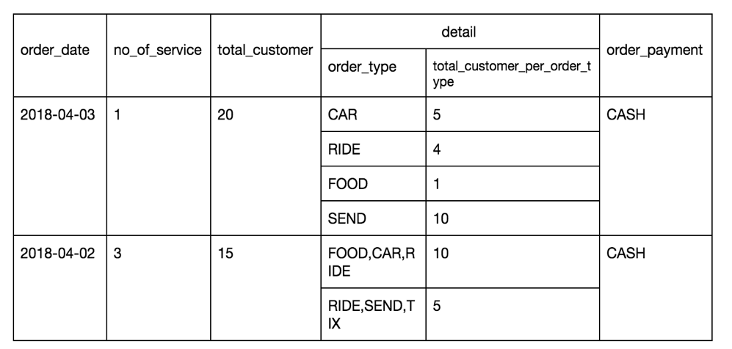
Question section 2 - The BI Tableau Developer requires a summary table to show how many customers use different GO-JEK services in a daily basis, along with the combination of services used (Please see below's table for more detail) Several rules for this task: A. Take only order_status = “Completed” B. No repetition on details of order_type a. You can combine it in any order but every combinations are only allowed once. E.g. same combinations like RIDE, CAR, SEND and CAR, RIDE, SEND are unacceptable C. Group each order_payment and its combination a. I.e. aggregations by CASH, GOPAY, CASH&GOPAY (ALL) D. Use date in UTC timezone

